Sheet1
if mu = 0.8
kp = 4 | kp = 8 |  | kp = 12 |  | kp = 16 |  | kp = 20 |  | kp = 24 |  | kp = 28 |  | kp = 32 |  | kp = 64 act like no PID
backwheel = | backwheel = |  | backwheel = |  | backwheel = |  | backwheel = |  | backwheel = |  | backwheel = |  | backwheel = |  | backwheel =
 |  |  |  |  |  |  | traction: 180 |  | traction: 220 |  | traction: 300 |  | traction: 350
struct with fields: | struct with fields: |  | struct with fields: |  | struct with fields: |  | struct with fields: |  | struct with fields: |  | struct with fields: |  | struct with fields: |  | struct with fields:

RiseTime: 8.0609 | RiseTime: 13.5004 |  | RiseTime: 18.8682 |  | RiseTime: 19.4662 |  | RiseTime: 14.1082 |  | RiseTime: 12.1558 |  | RiseTime: 11.1269 |  | RiseTime: 10.4979 |  | RiseTime: 9.1655
SettlingTime: 14.3843 | SettlingTime: 24.0897 |  | SettlingTime: 33.4170 |  | SettlingTime: 27.9207 |  | SettlingTime: 18.2869 |  | SettlingTime: 15.8288 |  | SettlingTime: 14.6588 |  | SettlingTime: 13.9797 |  | SettlingTime: 12.6200
SettlingMin: 197.3493 | SettlingMin: 394.6651 |  | SettlingMin: 591.4502 |  | SettlingMin: 740.0488 |  | SettlingMin: 740.0508 |  | SettlingMin: 740.0504 |  | SettlingMin: 740.0481 |  | SettlingMin: 740.0705 |  | SettlingMin: 740.0759
SettlingMax: 219.2711 | SettlingMax: 438.5156 |  | SettlingMax: 657.1636 |  | SettlingMax: 822.2669 |  | SettlingMax: 822.2669 |  | SettlingMax: 822.2669 |  | SettlingMax: 822.2669 |  | SettlingMax: 822.2669 |  | SettlingMax: 822.2669
Overshoot: 0 | Overshoot: 0 |  | Overshoot: 0 |  | Overshoot: 0 |  | Overshoot: 0 |  | Overshoot: 0 |  | Overshoot: 0 |  | Overshoot: 0 |  | Overshoot: 0
Undershoot: 0 | Undershoot: 0 |  | Undershoot: 0 |  | Undershoot: 0 |  | Undershoot: 0 |  | Undershoot: 0 |  | Undershoot: 0 |  | Undershoot: 0 |  | Undershoot: 0
Peak: 219.2711 | Peak: 438.5156 |  | Peak: 657.1636 |  | Peak: 822.2669 |  | Peak: 822.2669 |  | Peak: 822.2669 |  | Peak: 822.2669 |  | Peak: 822.2669 |  | Peak: 822.2669
PeakTime: 58.5060 | PeakTime: 60 |  | PeakTime: 60 |  | PeakTime: 48.9380 |  | PeakTime: 38.9070 |  | PeakTime: 36.4490 |  | PeakTime: 35.2780 |  | PeakTime: 34.5990 |  | PeakTime: 33.2400

if kp = 16 |  |  |  |  |  |  |  |  |  |  |  |  |  |  |  | bonus: mu = 0.4 kp = 32
mu = 0.2 | mu = 0.4 |  | mu= 0.6 |  | mu = 0.8(good traction) |  | mu = 1.2(too large) |  | mu = 0.85(traction not ok) |  | mu = 0.9(traction not OK) |  | mu = 2 act like no PID,bad traction
backwheel = | backwheel = |  | backwheel = |  | backwheel = |  | backwheel = |  | backwheel = |  | backwheel = |  | backwheel = |  |  | backwheel =

struct with fields: | struct with fields: |  | struct with fields: |  | struct with fields: |  | struct with fields: |  | struct with fields: |  | struct with fields: |  | struct with fields: |  |  | struct with fields:

RiseTime: 23.6250 | RiseTime: 23.7245 |  | RiseTime: 23.8280 |  | RiseTime: 19.4662 |  | RiseTime: 9.5668 |  | RiseTime: 16.4851 |  | RiseTime: 14.4598 |  | RiseTime: 8.8073 |  |  | RiseTime: 18.7623
SettlingTime: 40.6729 | SettlingTime: 40.9117 |  | SettlingTime: 41.0954 |  | SettlingTime: 27.9207 |  | SettlingTime: 13.0390 |  | SettlingTime: 22.3496 |  | SettlingTime: 19.1843 |  | SettlingTime: 12.2567 |  |  | SettlingTime: 23.2918
SettlingMin: 196.5322 | SettlingMin: 392.9962 |  | SettlingMin: 589.3980 |  | SettlingMin: 740.0488 |  | SettlingMin: 740.0515 |  | SettlingMin: 740.0483 |  | SettlingMin: 740.0512 |  | SettlingMin: 740.0871 |  |  | SettlingMin: 740.0446
SettlingMax: 218.3675 | SettlingMax: 436.6580 |  | SettlingMax: 654.8850 |  | SettlingMax: 822.2669 |  | SettlingMax: 822.2669 |  | SettlingMax: 822.2669 |  | SettlingMax: 822.2669 |  | SettlingMax: 822.2669 |  |  | SettlingMax: 822.2669
Overshoot: 0 | Overshoot: 0 |  | Overshoot: 0 |  | Overshoot: 0 |  | Overshoot: 0 |  | Overshoot: 0 |  | Overshoot: 0 |  | Overshoot: 0 |  |  | Overshoot: 0
Undershoot: 0 | Undershoot: 0 |  | Undershoot: 0 |  | Undershoot: 0 |  | Undershoot: 0 |  | Undershoot: 0 |  | Undershoot: 0 |  | Undershoot: 0 |  |  | Undershoot: 0
Peak: 218.3675 | Peak: 436.6580 |  | Peak: 654.8850 |  | Peak: 822.2669 |  | Peak: 822.2669 |  | Peak: 822.2669 |  | Peak: 822.2669 |  | Peak: 822.2669 |  |  | Peak: 822.2669
PeakTime: 60 | PeakTime: 60 |  | PeakTime: 60 |  | PeakTime: 48.9380 |  | PeakTime: 33.6590 |  | PeakTime: 42.9730 |  | PeakTime: 39.8040 |  | PeakTime: 32.8760 |  |  | PeakTime: 43.9120

if mu = 0.8 kp = 20
ki = 10 |  | ki = 2 |  |  | ki = 6 |  |  | ki = 14 |  |  | ki = 4
backwheel = |  | backwheel = |  |  | backwheel = |  |  | backwheel = |  |  | backwheel =

struct with fields: |  | struct with fields: |  |  | struct with fields: |  |  | struct with fields: |  |  | struct with fields:

RiseTime: 8.7759 |  | RiseTime: 10.1195 |  |  | RiseTime: 8.7947 |  |  | RiseTime: 8.7960 |  |  | RiseTime: 9.2333
SettlingTime: 12.2165 |  | SettlingTime: 13.5654 |  |  | SettlingTime: 12.2379 |  |  | SettlingTime: 12.2380 |  |  | SettlingTime: 12.6756
SettlingMin: 740.0954 |  | SettlingMin: 740.0898 |  |  | SettlingMin: 740.0566 |  |  | SettlingMin: 740.0696 |  |  | SettlingMin: 740.0646
SettlingMax: 822.2669 |  | SettlingMax: 822.2669 |  |  | SettlingMax: 822.2669 |  |  | SettlingMax: 822.2669 |  |  | SettlingMax: 822.2669
Overshoot: 0 |  | Overshoot: 0 |  |  | Overshoot: 0 |  |  | Overshoot: 0 |  |  | Overshoot: 0
Undershoot: 0 |  | Undershoot: 0 |  |  | Undershoot: 0 |  |  | Undershoot: 0 |  |  | Undershoot: 0
Peak: 822.2669 |  | Peak: 822.2669 |  |  | Peak: 822.2669 |  |  | Peak: 822.2669 |  |  | Peak: 822.2669
PeakTime: 32.8360 |  | PeakTime: 34.1850 |  |  | PeakTime: 32.8580 |  |  | PeakTime: 32.8580 |  |  | PeakTime: 33.2950
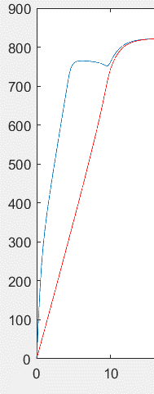
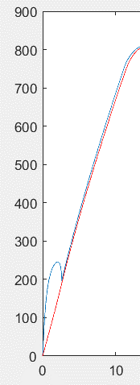
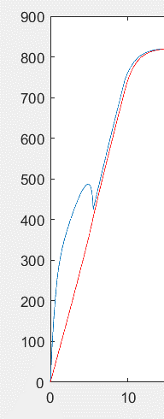
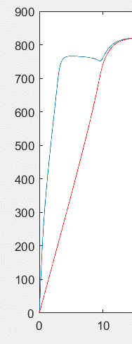
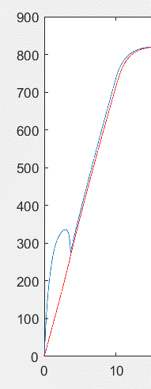

if mu = 0.8 kp = 20 ki = 4
kd = 10 |  | kd = 4 |  |  | kd = 1 |  |  | kd = 20 |  |  | mu= 0.8
backwheel = |  | backwheel = |  |  | backwheel = |  |  | backwheel = |  |  | kp = 20
 |  |  |  |  |  |  |  |  |  |  | ki = 4
struct with fields: |  | struct with fields: |  |  | struct with fields: |  |  | struct with fields: |  |  | kd = 0
 |  |  |  |  |  |  |  |  |  |  | speed
RiseTime: 8.9549 |  | RiseTime: 8.9531 |  |  | RiseTime: 8.9498 |  |  | RiseTime: 8.9533 |  |  | traction
SettlingTime: 12.4085 |  | SettlingTime: 12.4067 |  |  | SettlingTime: 12.4035 |  |  | SettlingTime: 12.4070 |  |  | launch
SettlingMin: 740.0529 |  | SettlingMin: 740.0414 |  |  | SettlingMin: 740.0554 |  |  | SettlingMin: 740.0864
SettlingMax: 822.2669 |  | SettlingMax: 822.2669 |  |  | SettlingMax: 822.2669 |  |  | SettlingMax: 822.2669
Overshoot: 0 |  | Overshoot: 0 |  |  | Overshoot: 0 |  |  | Overshoot: 0
Undershoot: 0 |  | Undershoot: 0 |  |  | Undershoot: 0 |  |  | Undershoot: 0
Peak: 822.2669 |  | Peak: 822.2669 |  |  | Peak: 822.2669 |  |  | Peak: 822.2669
PeakTime: 33.0280 |  | PeakTime: 33.0260 |  |  | PeakTime: 33.0230 |  |  | PeakTime: 33.0270
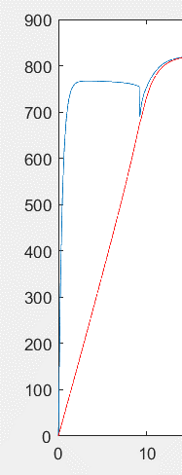
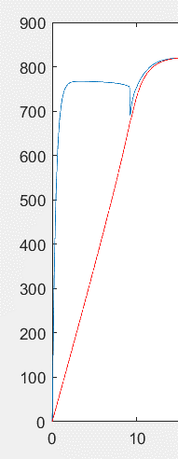
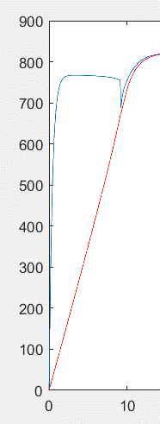
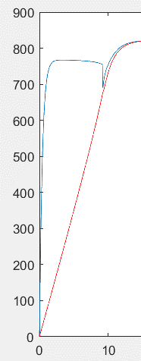

brake control | if kp = 20 ki = 4 |  | accelerate to 800 in mu = 0.8, after 20s, mu become negative
mu = -0.2 |  |  |  |  |  | mu = -0.4 |  |  |  |  |  |  | mu= -0.8
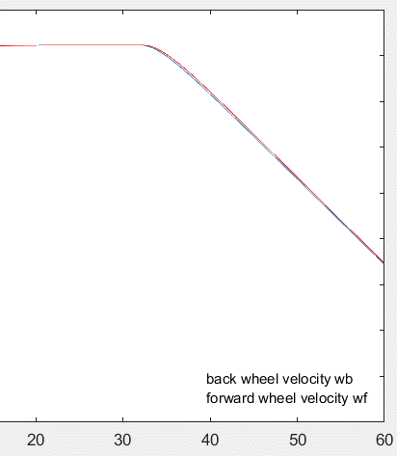
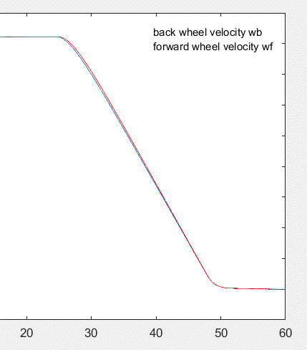
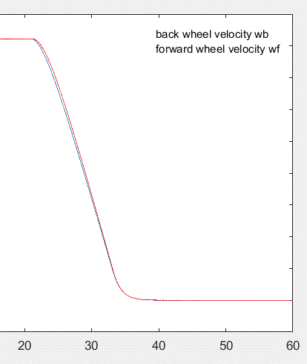

mu = -1.0 |  |  | mu = -1.2 |  |  |  | mu = -1.4 |  |  |  | mu = -1.1
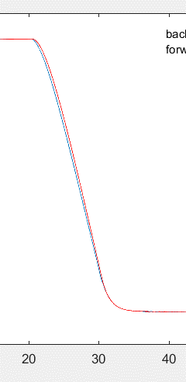
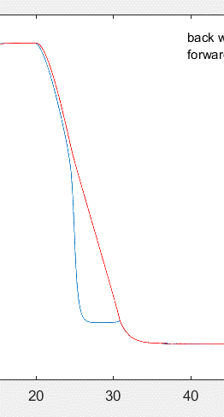
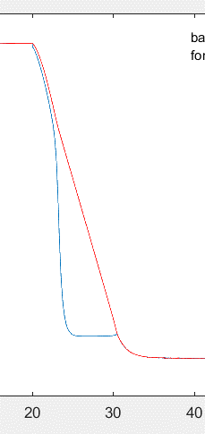
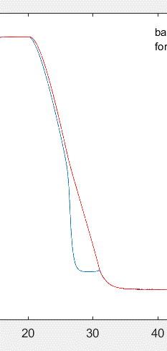

try brake control with other initial speed kp = 20 ki = 4
accelerate to 400 after 30
mu = -0.5 |  |  |  | mu = -0.7 |  |  |  | mu = -1.0 |  |  |  | here I find out that when kp = 20, ki = 4, mu lost its ability to speed control
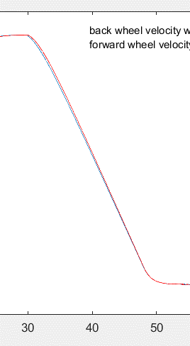
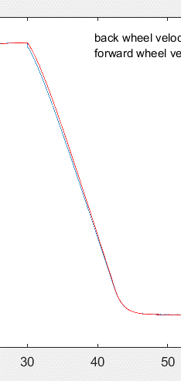
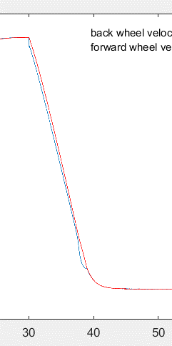
 |  |  |  |  |  |  |  |  |  |  |  | mu= 0.8 |  | it turns out that when kp > 16 && ki != 0, mu will always boost car to maximum
 |  |  |  |  |  |  |  |  |  |  |  | kp = 20 |  | therefore for speed control
 |  |  |  |  |  |  |  |  |  |  |  | ki = 4 |  | mu= 0 - 0.8
 |  |  |  |  |  |  |  |  |  |  |  | kd = 0 |  | kp = 16
 |  |  |  |  |  |  |  |  |  |  |  |  |  | ki = 0
 |  |  |  |  |  |  |  |  |  |  |  | traction |  | kd = 0
 |  |  |  |  |  |  |  |  |  |  |  | launch
 |  |  |  |  |  |  |  |  |  |  |  |  |  | traction
 |  |  |  |  |  |  |  |  |  |  |  |  |  | speed

back to brake set kp = 16 to test brake at different initial speed,mu = 0.4 to accelerate to 400
mu = -1.0 after 30s |  |  |  |  |  |  |  |  | mu = -0.5 |  |  |  |  |  |  |  | mu = -0.7
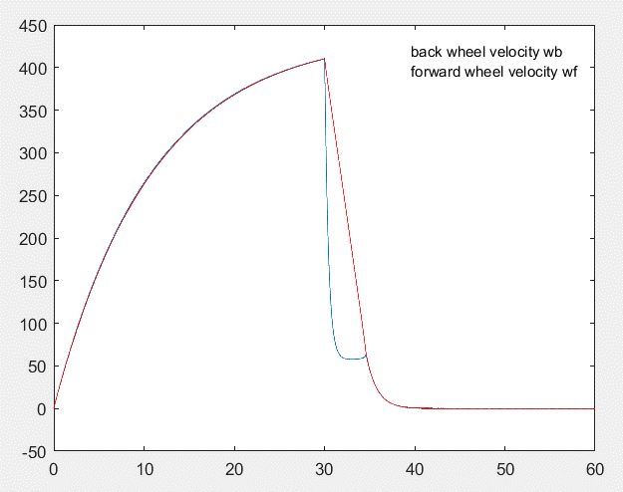
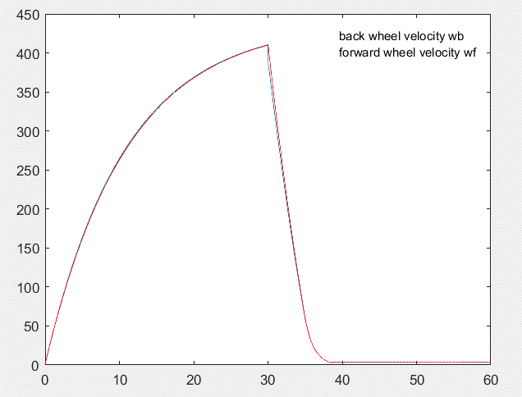
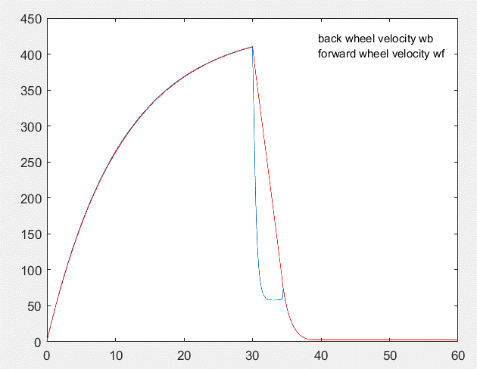

mu = -0.3 |  |  |  |  |  |  |  |  | mu = -0.1 | slower
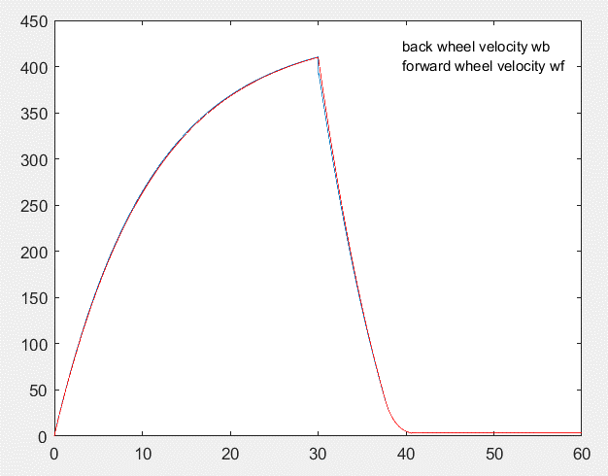
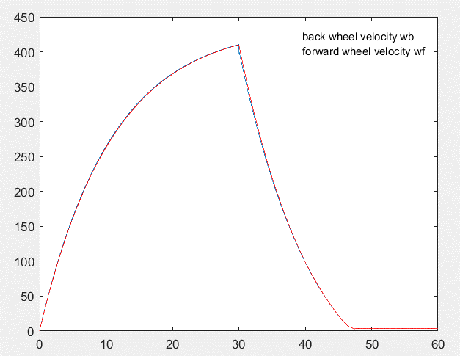

so we know mu value is also propotional when braking. So mu = -0.5 is settled , try different kp
kp = 8 |  |  |  |  |  |  |  |  | kp =32 same with before, it's propotional but can't fit when mu = 0.8 or -1.0
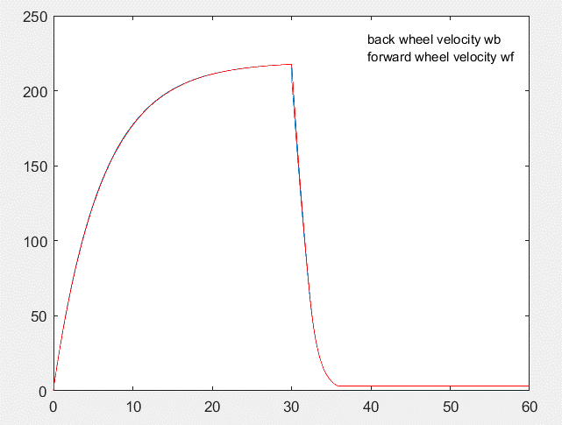
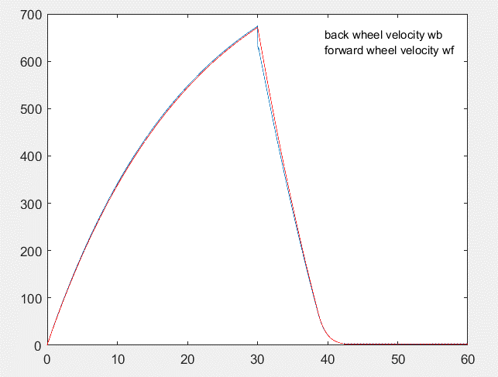

therefore brake control also
mu=-0.0--1.0
kp = 16
ki = 0
kd = 0

brake

